Bug report
Bug ID | Module Name | TCID | Description | Steps to reproduce | Screenshots | Severity | Priority | Status
B_001 | My Info (UI) | TC_INF007 | The profile picture is not shown | Login into the Application Click on My info module, then click on user profile picture in left menu | 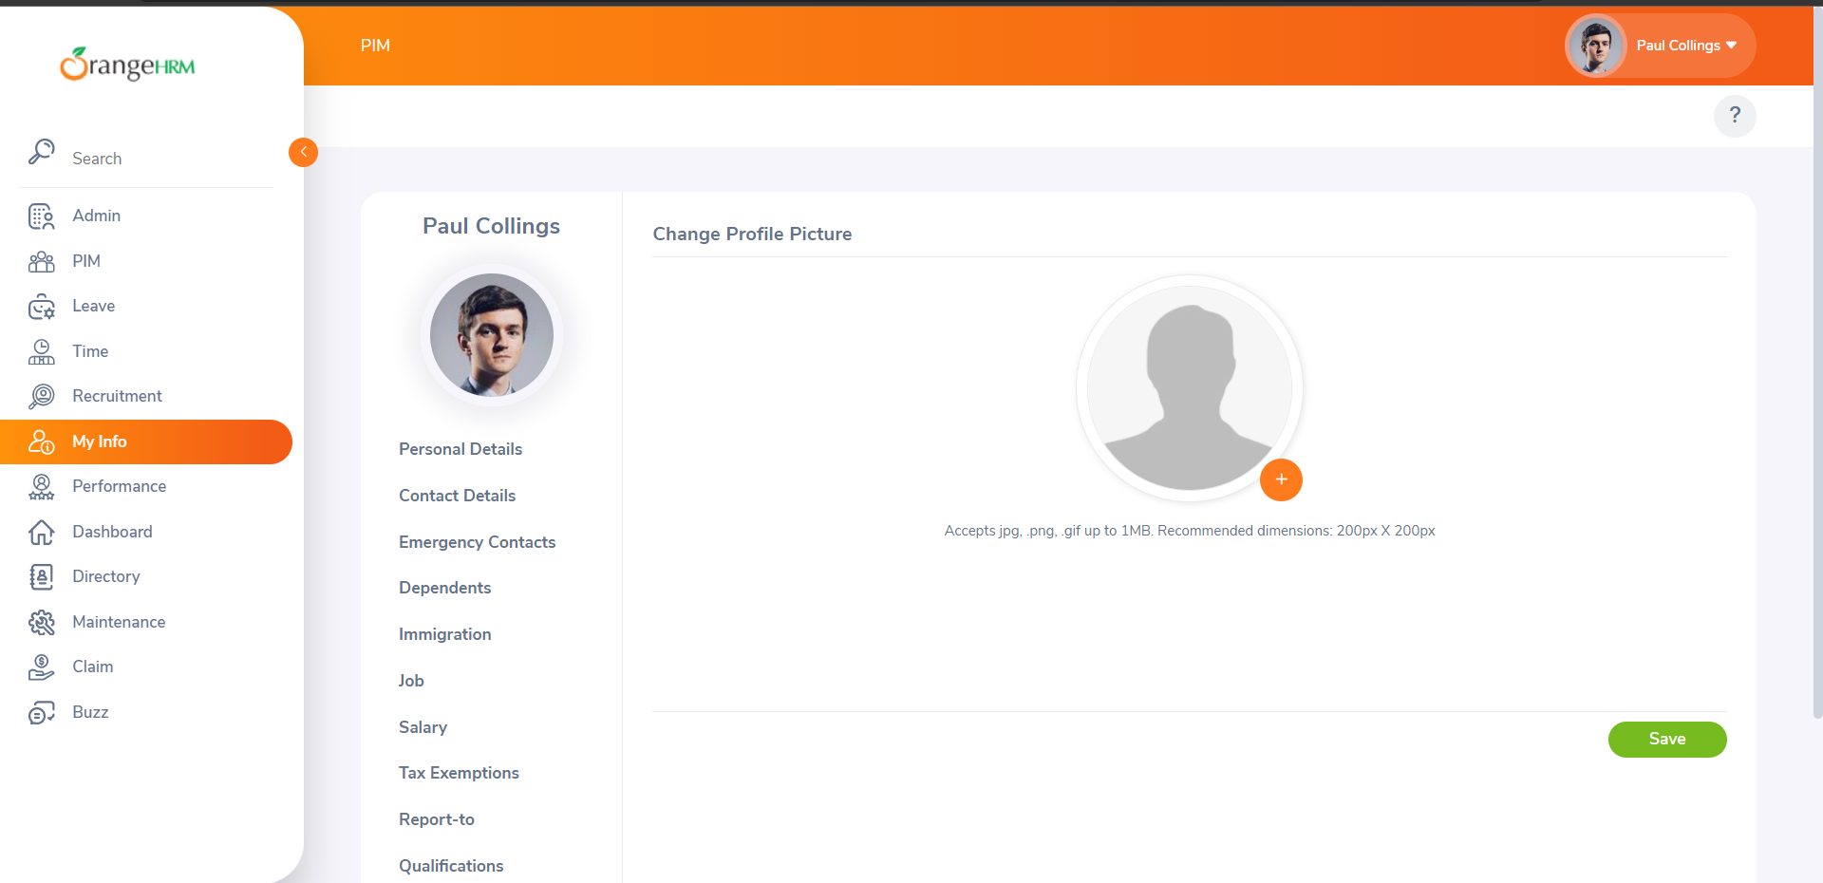 | Minor | P3 | Open
B_002 | Login | TC_LOG008 | After logging in when user press browse back button the login page appears again and when the page is refreshed the user is logged in again | Open the application URL,Enter the valid credentials and press enter key Press the browse back button Click the refresh button |  | Major | P2 | Open
B_003 | Login | TC_LOG014 | The user is able to navigate to different elements via tab key but the pointer didn't go to forgot your password link while navigating, it goes to social media icon from login button without going to forgot password | Open the application URL Click on the username field Start pressing tab key and notice the pointer |  | Minor | P3 | Open
B_004 | Forgot your password | TC_FYP002 | The user should be directed back to login page few seconds after he entered the username to reset the password. The pop message should appear that the email is sent successfully then the user should be directed back to login page | Open the application URL Click on forgot forgot your password link Enter the username Click on reset button |  | Major | P1 | Open
B_005 | Change password | TC_CP004 | When the user entered the same existing and changed password it should display an error that the current and new password are same but it is giving a success message | Open the application URL Enter the valid credentials and login Click on the username in the header and click on change password option Enter the same current and new password Click on save button |  | Minor | P3 | Open
B_006 | Logout | TC_L002 | When the user logout and then press browse back button the user stayed logged in unless he click on any element on the screen. But when user press something and goes back to login page, again when he press browse back button the user logged in, i.e the last opened screen is displayed |  |  | Major | P1 | Open
B_007 | Admin(Users) | TC_U026 | The user is not able to search the user by pressing enter key on keyboard | Open the application URL Login as an admin Click on admin from left menu and the select the users option from toolbar Enter the data in fields and press enter key |  | Minor | P3 | Open
B_008 | Admin(Job) | TC_J074 | When the user enter the invalid name manually in the field and click on save button or press enter key the default timing should appear in the field instead the field becomes empty | Open the application URL Login as an admin Click on admin from left menu and the select the job->Work shifts option from toolbar Enter the invalid date in date field and click anywhere on the screen or press enter |  | Minor | P3 | Open
B_009 | Admin(Corporate Branding) | TC_CB005 | The image fields should not be able to accept the files with extensions other than mentioned below the fields but the image fileds are accepting every type of files and are not showing any error message | Open the application URL Login as an admin Click on admin from left menu and the select the Corporate branding option from toolbar Select the files of wrong formats for the fields |  | Major | P2 | Open
B_010 | Admin(Localization) | TC_CA022 | The admin is not able to change the language and date format by pressing enter key on keyboard | Open the application URL Login as an admin Click on admin from left menu and the select the Configuration->Localization option from toolbar Select the language and date format from dropdown menu Press the enter key |  | Minor | P3 | Open

Build Number | Reported by | Assigned to | Fixed date

